Tabelle 1
Hugo Boss |  | PROMPT DELIVERY

Style-No. | Brand | Model | Color | Fabric | Euro | Quantity | 39-42 | 43-46 | RRP €

50469839 | Hugo Boss | 3P RS Uni Socks | 001 blk | 75%co, 23%pa, 2%ela | 12.30 | 2990 | 1494 | 1496 | 19.95
50469839 | Hugo Boss | 3P RS Uni Socks | 961 blk/dr grey/blue | 75%co, 23%pa, 2%ela | 12.30 | 1999 | 1000 | 999 | 19.95
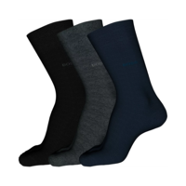

Total: |  |  |  |  |  | 4989

